Description of Task
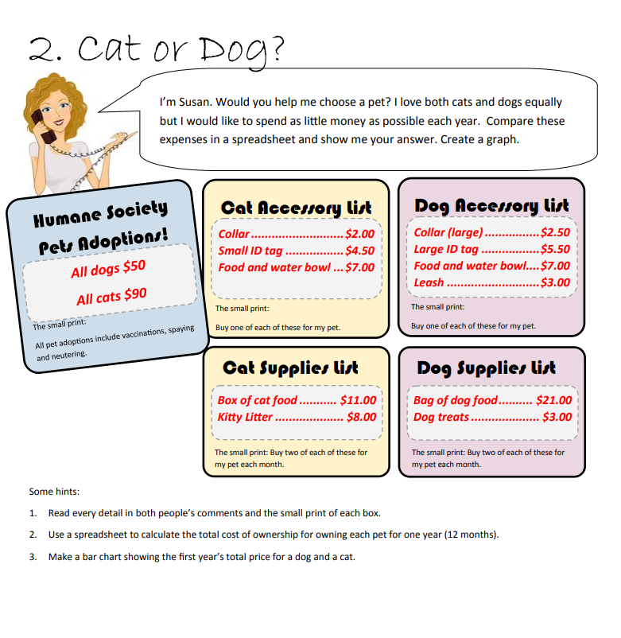

Data & Viz
First Year Total Price
 | Dog | Cat
Initial
Purchase | $50.00 | $90.00
Collar | $2.50 | $2.00
Tag | $5.50 | $4.50
Bowl | $7.00 | $7.00
Leash | $3.00 | $0.00
Total | $68.00 | $103.50

Monthly
Food | $21.00 | $11.00
Litters | $0.00 | $8.00
Treats | $3.00 | $0.00
Subtotal | $24.00 | $19.00
Monthly Total | $48.00 | $38.00
 | Dog | Cat
First Year Total Price | $644.00 | $559.50

